12 Players - 3 Courts
RANK | Participants | Points |  | Court | Team A |  |  | Team B |  | Team A points | Team B points
1 | Player 1 | 0 | Round 1 | Court 1 | Player 7 | Player 6 | vs | Player 2 | Player 5 | 0 | 0
1 | Player 2 | 0 |  | Court 2 | Player 1 | Player 9 | vs | Player 8 | Player 12 | 0 | 0
1 | Player 3 | 0 |  | Court 3 | Player 11 | Player 4 | vs | Player 10 | Player 3 | 0 | 0
1 | Player 4 | 0 | Round 2 | Court 1 | Player 7 | Player 1 | vs | Player 5 | Player 4 | 0 | 0
1 | Player 5 | 0 |  | Court 2 | Player 8 | Player 2 | vs | Player 11 | Player 3 | 0 | 0
1 | Player 6 | 0 |  | Court 3 | Player 10 | Player 6 | vs | Player 12 | Player 9 | 0 | 0
1 | Player 7 | 0 | Round 3 | Court 1 | Player 7 | Player 8 | vs | Player 4 | Player 6 | 0 | 0
1 | Player 8 | 0 |  | Court 2 | Player 11 | Player 5 | vs | Player 10 | Player 9 | 0 | 0
1 | Player 9 | 0 |  | Court 3 | Player 12 | Player 1 | vs | Player 3 | Player 2 | 0 | 0
1 | Player 10 | 0 | Round 4 | Court 1 | Player 7 | Player 11 | vs | Player 6 | Player 1 | 0 | 0
1 | Player 11 | 0 |  | Court 2 | Player 10 | Player 4 | vs | Player 12 | Player 2 | 0 | 0
1 | Player 12 | 0 |  | Court 3 | Player 3 | Player 8 | vs | Player 9 | Player 5 | 0 | 0
 |  |  | Round 5 | Court 1 | Player 7 | Player 10 | vs | Player 1 | Player 8 | 0 | 0
 |  |  |  | Court 2 | Player 12 | Player 6 | vs | Player 3 | Player 5 | 0 | 0
Courts |  |  |  | Court 3 | Player 9 | Player 11 | vs | Player 2 | Player 4 | 0 | 0
1 | Court 1 |  | Round 6 | Court 1 | Player 7 | Player 12 | vs | Player 8 | Player 11 | 0 | 0
2 | Court 2 |  |  | Court 2 | Player 3 | Player 1 | vs | Player 9 | Player 4 | 0 | 0
2 | Court 3 |  |  | Court 3 | Player 2 | Player 10 | vs | Player 5 | Player 6 | 0 | 0
 |  |  | Round 7 | Court 1 | Player 7 | Player 3 | vs | Player 11 | Player 10 | 0 | 0
 |  |  |  | Court 2 | Player 9 | Player 8 | vs | Player 2 | Player 6 | 0 | 0
Event Name |  |  |  | Court 3 | Player 5 | Player 12 | vs | Player 4 | Player 1 | 0 | 0
 |  |  | Round 8 | Court 1 | Player 7 | Player 9 | vs | Player 10 | Player 12 | 0 | 0
 |  |  |  | Court 2 | Player 2 | Player 11 | vs | Player 5 | Player 1 | 0 | 0
Date |  |  |  | Court 3 | Player 4 | Player 3 | vs | Player 6 | Player 8 | 0 | 0
 |  |  | Round 9 | Court 1 | Player 7 | Player 2 | vs | Player 12 | Player 3 | 0 | 0
 |  |  |  | Court 2 | Player 5 | Player 10 | vs | Player 4 | Player 8 | 0 | 0
Try PadelMix |  |  |  | Court 3 | Player 6 | Player 9 | vs | Player 1 | Player 11 | 0 | 0
Mobile app for organizing Padel tournaments |  |  | Round 10 | Court 1 | Player 7 | Player 5 | vs | Player 3 | Player 9 | 0 | 0
https://padelmix.app/ |  |  |  | Court 2 | Player 4 | Player 12 | vs | Player 6 | Player 11 | 0 | 0
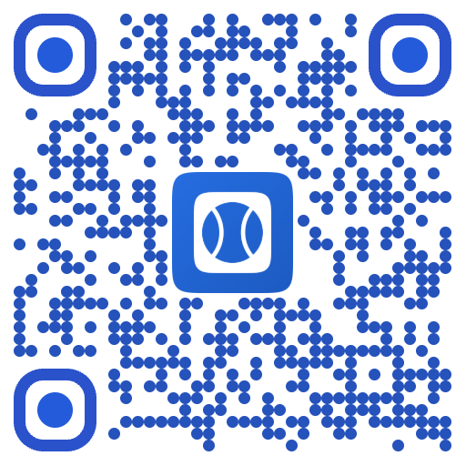
 |  |  |  | Court 3 | Player 1 | Player 2 | vs | Player 8 | Player 10 | 0 | 0
 |  |  | Round 11 | Court 1 | Player 7 | Player 4 | vs | Player 8 | Player 2 | 0 | 0
 |  |  |  | Court 2 | Player 6 | Player 3 | vs | Player 1 | Player 10 | 0 | 0
 |  |  |  | Court 3 | Player 8 | Player 5 | vs | Player 11 | Player 12 | 0 | 0

